Data
County | State | WI County To Use | 2023 Required Annual Income for Two Adults (both working), One Child (before taxes) | WI Equivalent County | WI Counties | 2023 Required Annual Income For Two Adults (both working), One Child (before taxes)
Lake-IL | Illinois | Dane | $86,653 | Dane | Adams | $75,545.60
McHenry | Illinois | Dane | $88,566 | Dane | Ashland | $73,340.80
Boone | Illinois | La Crosse | $78,499 | La Crosse, Winnebago, Outagamie | Barron | $75,004.80
Winnebago | Illinois | Kewaunee | $77,376 | Kewaunee | Bayfield | $74,588.80
Stephenson | Illinois | Langlade | $73,424 | Langlade, Vernon, Florence | Brown | $78,249.60
Jo Daviess | Illinois | Rusk | $74,381 | Rusk, Trempealeau, Bayfield, Lincoln, Marinette, Vilas | Buffalo | $75,628.80
Cook-IL | Illinois | Dane | $86,653 | Dane | Burnett | $75,379.20
Kane | Illinois | Dane | $88,525 | Dane | Calumet | $78,000.00
DeKalb | Illinois | St. Croix | $82,867 | St. Croix, Waukesha | Chippewa | $76,086.40
Ogle | Illinois | Douglas | $77,667 | Douglas, Door, Dodge, Sawyer, Portage, Green | Clark | $72,550.40
Carroll | Illinois | Lafayette | $72,717 | Lafayette | Columbia | $78,000.00
DuPage | Illinois | Dane | $90,605 | Dane | Crawford | $75,129.60
Dubuque | Iowa | Fond du Lac | $76,461 | Fond du Lac, Eau Claire, Wood | Dane | $89,689.60
Clayton | Iowa | Taylor | $73,840 | Manitowoc, Taylor | Dodge | $77,792.00
Allamakee | Iowa | Oconto | $74,090 | Marquette, Oconto, Waushara | Door | $77,750.40
Winneshiek | Iowa | Bayfield | $74,381 | Bayfield, Rusk, Trempealeau | Douglas | $77,708.80
Fayette | Iowa | Clark | $72,550 | Clark, Lafayette | Dunn | $75,836.80
Delaware | Iowa | Trempealeau | $74,506 | Bayfield, Rusk, Trempealeau | Eau Claire | $76,710.40
Buchanan | Iowa | Green Lake | $75,046 | Crawford, Green Lake, Forest | Florence | $73,590.40
Jackson | Iowa | Rusk | $74,506 | Bayfield, Rusk, Trempealeau | Fond du Lac | $76,585.60
Jones | Iowa | Lincoln | $74,589 | Bayfield, Lincoln, Marinette, Vilas | Forest | $75,212.80
Houston | Minnesota | Sauk | $76,128 | Sauk, Sheboygan | Grant | $73,382.40
Winona | Minnesota | Vilas | $74,630 | Lincoln, Marinette, Vilas | Green | $77,958.40
Fillmore | Minnesota | Dunn | $75,837 | Dunn, Polk | Green Lake | $75,171.20
Wabasha | Minnesota | Buffalo | $73,466 | Adams, Buffalo | Iowa | $76,419.20
Olmsted | Minnesota | Walworth | $80,163 | Walworth | Iron | $71,884.80
Dodge | Minnesota | Walworth | $80,163 | Walworth | Jackson | $75,004.80
Goodhue | Minnesota | Iowa | $76,419 | Iowa | Jefferson | $79,705.60
Dakota | Minnesota | Dane | $85,946 | Dane | Juneau | $69,680.00
Rice | Minnesota | Winnebago | $78,499 | La Crosse, Winnebago | Kenosha | $82,659.20
Scott | Minnesota | Dane | $85,946 | Dane | Kewaunee | $77,376.00
Washington | Minnesota | Dane | $85,946 | Dane | La Crosse | $78,707.20
Ramsey | Minnesota | Dane | $85,946 | Dane | Lafayette | $72,883.20
Hennepin | Minnesota | Dane | $85,946 | Dane | Langlade | $73,507.20
Anoka | Minnesota | Dane | $85,946 | Dane | Lincoln | $74,630.40
Chisago | Minnesota | Waukesha | $83,782 | Waukesha | Manitowoc | $73,964.80
Isanti | Minnesota | Waukesha | $83,782 | Waukesha | Marathon | $77,001.60
Pine | Minnesota | Burnett | $75,296 | Burnett, Washburn | Marinette | $74,630.40
Kanabec | Minnesota | Chippewa | $76,003 | Chippewa, Pepin | Marquette | $74,214.40
Carlton | Minnesota | Door | $77,750 | Door | Menominee | $72,508.80
Aitkin | Minnesota | Adams | $75,546 | Adams | Milwaukee | $84,406.40
Itasca | Minnesota | Marathon | $76,960 | Marathon | Monroe | $75,670.40
St Louis | Minnesota | Door | $77,750 | Door | Oconto | $74,339.20
Lake-MN | Minnesota | Rusk | $74,547 | Rusk, Trempauleau | Oneida | $75,753.60
Cook-MN | Minnesota | Kewaunee | $77,126 | Kewaunee | Outagamie | $78,956.80
Gogebic | Michigan | Richland | $73,258 | Ashland, Richland | Ozaukee | $84,988.80
Iron | Michigan | Lincoln | $74,630 | Lincoln, Marinette, Vilas | Pepin | $76,086.40
Dickinson | Michigan | Rock | $79,082 | Rock | Pierce | $83,865.60
Menominee | Michigan | Bayfield | $74,589 | Bayfield | Polk | $75,836.80
Delta | Michigan | Portage | $77,834 | Portage, Green | Portage | $77,875.20
Marquette | Michigan | Pierce | $83,616 | Waukesha, Pierce | Price | $72,508.80
Baraga | Michigan | Iron | $71,427 | Iron | Racine | $80,870.40
Houghton | Michigan | Rock | $79,040 | Rock | Richland | $73,340.80
Ontonagon | Michigan | Waupaca | $73,050 | Waupaca | Rock | $79,164.80
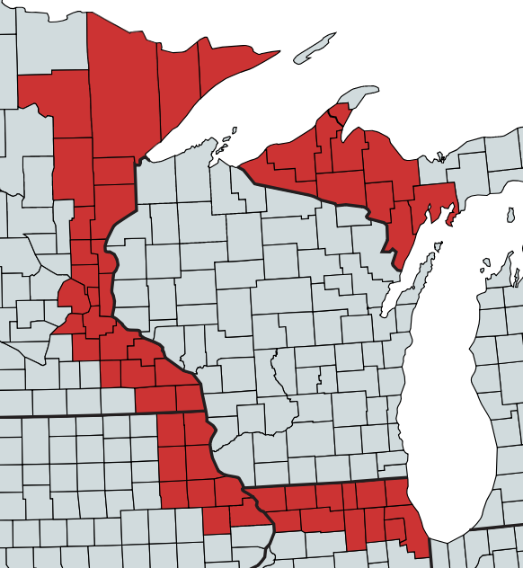 |  |  |  | Information on the data: The living wage requirement for two working adults with one child for the closest 54 counties bordering Wisconsin (mapped in red to the left), as well as all 72 Wisconsin counties, comes from the MIT Living Wage Calculator (http://livingwage.mit.edu/). DWD-DET selected the two adult and one child household as representative of the most common household size (2.58 people) identified by the 2010 U.S. Census; however, the specific household composition used for this county-to-county comparison is not ultimately important as the purpose is simply to match counties with similar costs of living. To find the Wisconsin county most comparable to each out-of-state county, DWD-DET matched the bordering county's living wage requirement to the Wisconsin county with the most similar living wage requirement. When there was more than one Wisconsin county with an equivalent living wage requirement, DWD-DET used the first Wisconsin county in alphabetical order. DWD-DET ultimately did not use the MIT Living Wage Calculator to calculate ESS for Wisconsin because of its limited options for household compositions. | Rusk | $74,547.20
 |  |  |  |  | Sauk | $76,252.80
 |  |  |  |  | Sawyer | $77,792.00
 |  |  |  |  | Shawano | $75,961.60
 |  |  |  |  | Sheboygan | $76,252.80
 |  |  |  |  | St. Croix | $83,241.60
 |  |  |  |  | Taylor | $73,964.80
 |  |  |  |  | Trempealeau | $74,547.20
 |  |  |  |  | Vernon | $73,548.80
 |  |  |  |  | Vilas | $74,630.40
 |  |  |  |  | Walworth | $80,371.20
 |  |  |  |  | Washburn | $75,462.40
 |  |  |  |  | Washington | $80,995.20
 |  |  |  |  | Waukesha | $83,782.40
 |  |  |  |  | Waupaca | $73,216.00
 |  |  |  |  | Waushara | $74,256.00
 |  |  |  |  | Winnebago | $78,832.00
 |  |  |  |  | Wood | $76,710.40

